TYPE 1
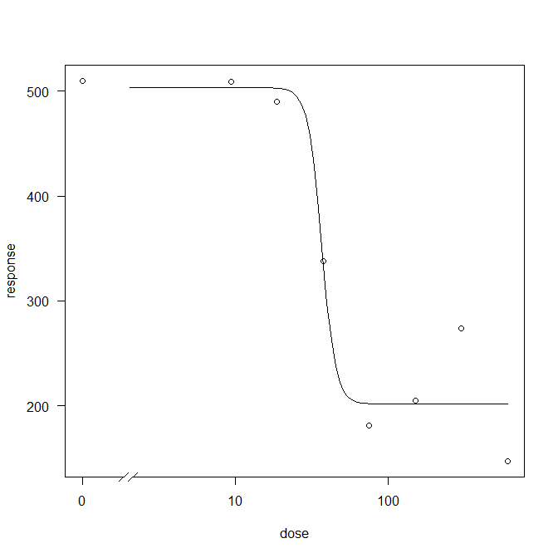
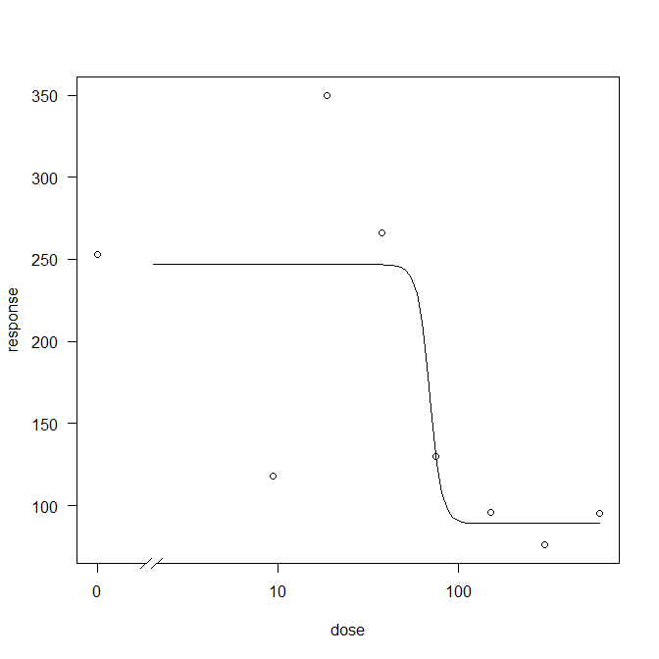
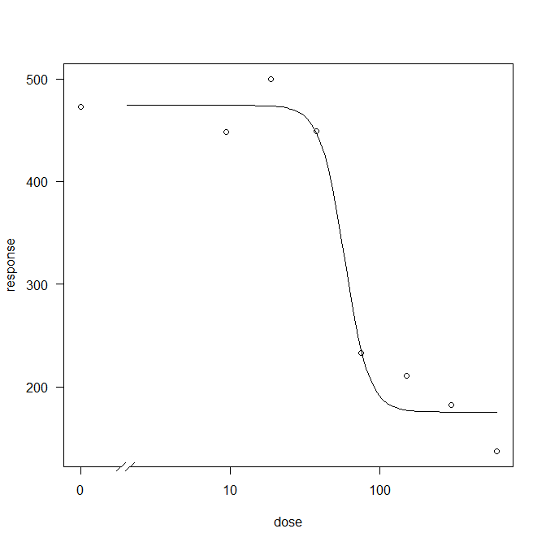
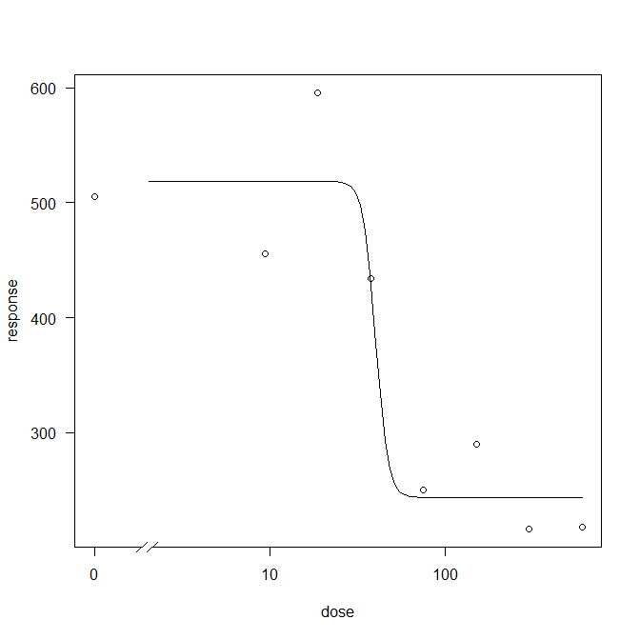
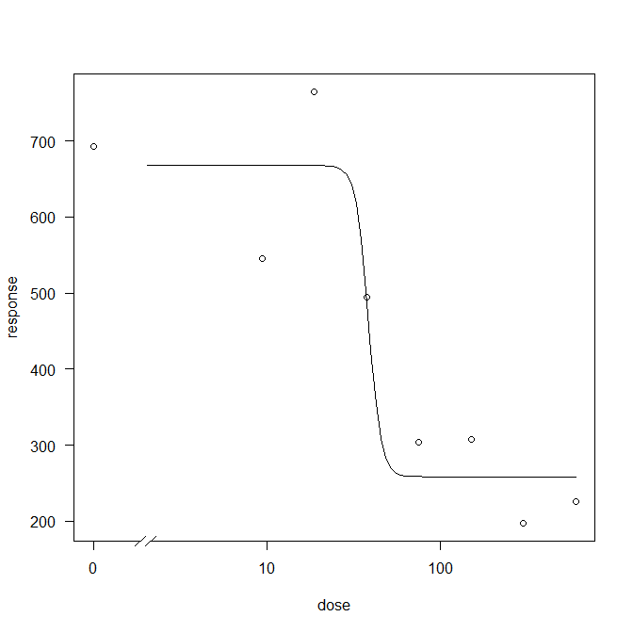
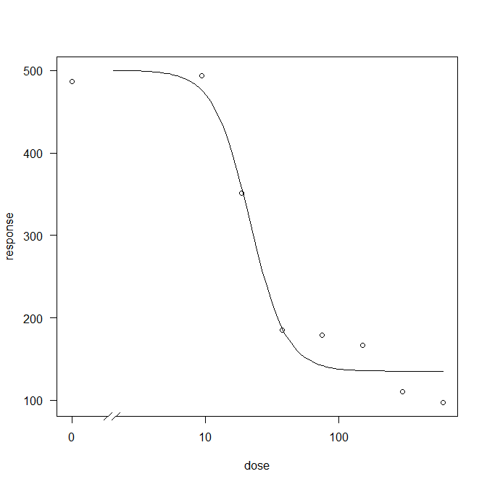
11 Mart 2022 kirmizi tipler 2. kez degerelendrildi
yas total |  |  |  |  |  | 1x 150g |  | 4x | ED50 | ed90 | tahmin | onceki90
 | doz 1 | doz 2 | doz 3 | doz 4 | doz 5 | doz 6 | doz 7 | doz 8
Yas T1 | 253 | 118 | 350 | 266 | 130 | 96 | 76 | 95 | 69,0 | 82.2 |  | 69 | 13.2
Yas T2 | 473 | 448 | 500 | 449 | 233 | 211 | 182 | 137 | 57,9 | 87.2 |  | 76 | 11.2
Yas T3 | 505 | 456 | 596 | 434 | 250 | 290 | 216 | 218 | 40,0 | 47.8 |  | 57 | -9.2
Yas T4 | 693 | 545 | 765 | 495 | 304 | 307 | 197 | 226 | 38,5 | 46.2 |  | 38 | 8.2
Yas T5 | 510 | 509 | 490 | 338 | 181 | 205 | 274 | 147 | 36,7 | 46.2 |  | 83 | -36.8
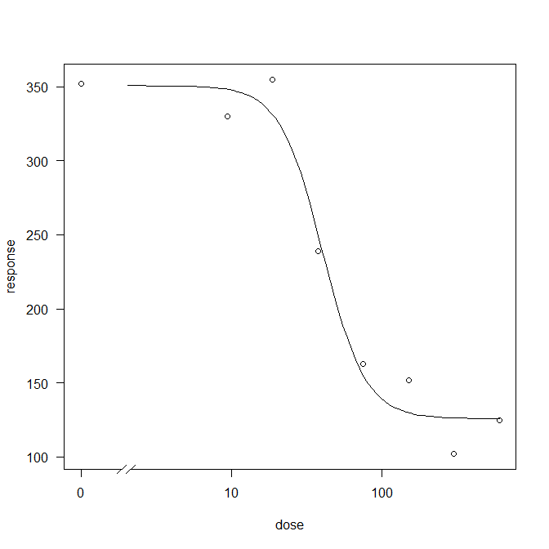
Yas T6 | 470 | 494 | 351 | 185 | 179 | 167 | 110 | 97 | 22,0 | 41.9 |  | 159 | -117.1
Kuru T1 | 161 | 174 | 180 | 144 | 83 | 70 | 60 | 68 | 49 | 84 |  | 69 | 15
Kuru T2 | 176 | 164 | 200 | 210 | 141 | 145 | 132 | 109 | 67 | 80 |  | 76 | 4
Kuru T3 | 218 | 196 | 241 | 219 | 151 | 173 | 162 | 143 | 49 | 56 |  | 57 | -1
Kuru T4 | 265 | 216 | 320 | 258 | 179 | 183 | 184 | 181 | 45 | 54 |  | 38 | 16
Kuru T5 | 171 | 168 | 194 | 162 | 152 | 140 | 165 | 122 | 46 | 81 |  | 83 | -2
Kuru T6 | 201 | 195 | 158 | 110 | 108 | 106 | 97 | 81 | 20 | 43 |  | 159 | -116
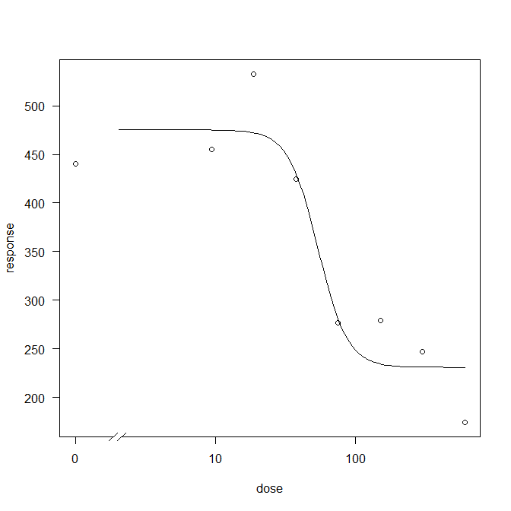
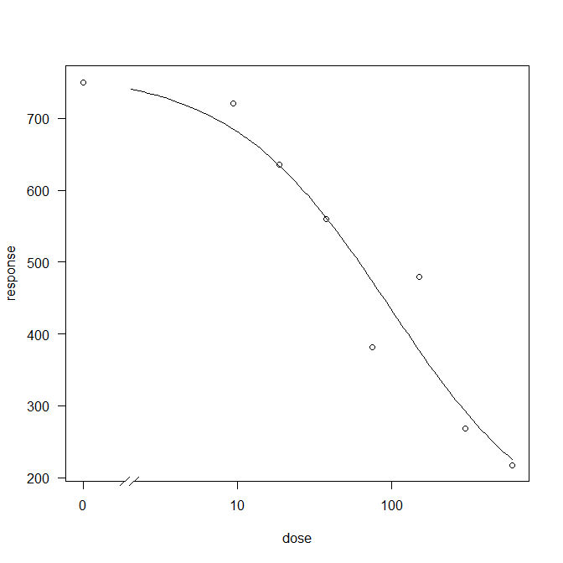
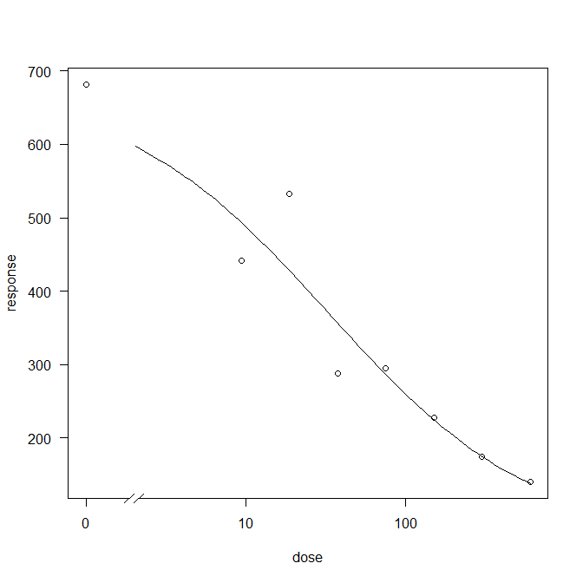
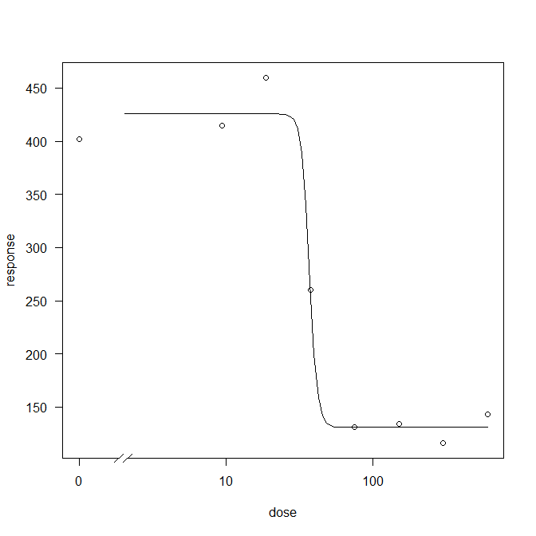
Yas T1 NIS | 352 | 330 | 355 | 239 | 163 | 152 | 102 | 125 | 40,3 | 82.7 | 19 | 30.4 | 52.3
Yas T2 NIS | 440 | 455 | 533 | 425 | 277 | 279 | 247 | 174 | 53,8 | 91.7 | 25 | 38 | 53.7
Yas T3 NIS | 593 | 397 | 470 | 421 | 226 | 259 | 212 | 237 | 27,6 | 415.8 | 18 | 43 | 372.8
Yas T4 NIS | 750 | 721 | 635 | 560 | 382 | 480 | 268 | 217 | 96,4 | 1293.3 | 9 | 18.7 | 1274.6
Yas T5 NIS | 682 | 442 | 533 | 288 | 295 | 228 | 174 | 140 | 32,8 | 854.9 | 33 | 66 | 788.9
Yas T6 NIS | 402 | 415 | 460 | 260 | 131 | 134 | 116 | 143 | 36,9 | 42.3 | 37 | 106 | -63.7
Kuru T1 NIS | 155 | 151 | 147 | 118 | 90 | 95 | 97 | 85 | 34 | 57 |  | 30.4 | 26.6
Kuru T2 NIS | 175 | 182 | 220 | 207 | 147 | 158 | 170 | 130 | 54 | 61 |  | 38 | 23
Kuru T3 NIS | 203 | 165 | 190 | 205 | 130 | 152 | 152 | 158 | 52 | 59 |  | 43 | 16
Kuru T4 NIS | 300 | 276 | 253 | 228 | 200 | 264 | 213 | 188 | 15 | 51 |  | 18.7 | 32.3
Kuru T5 NIS | 231 | 180 | 210 | 120 | 135 | 134 | 138 | 109 | 19 | 74 |  | 66 | 8
Kuru T6 NIS | 166 | 163 | 190 | 128 | 102 | 97 | 105 | 115 | 35 | 42 |  | 106 | -64
Visual%T1 | 100 | 90 | 70 | 60 | 50 | 0 | 0 | 0 | 59,8 | 314,6
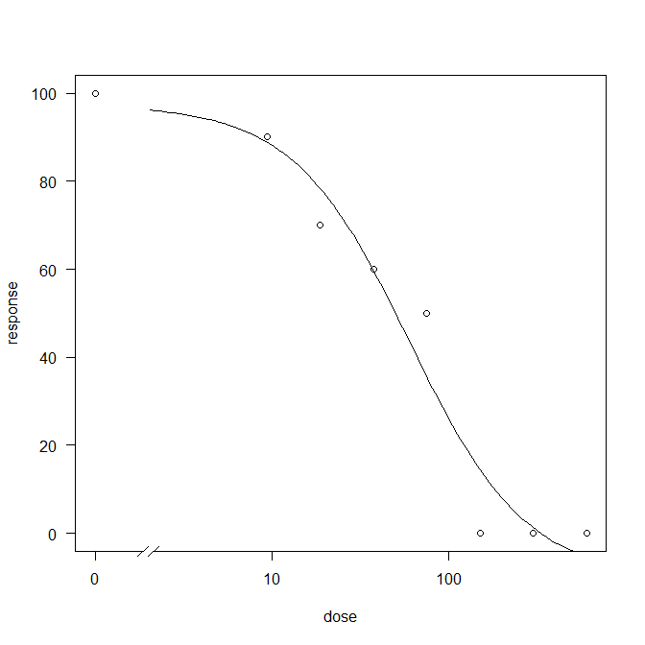
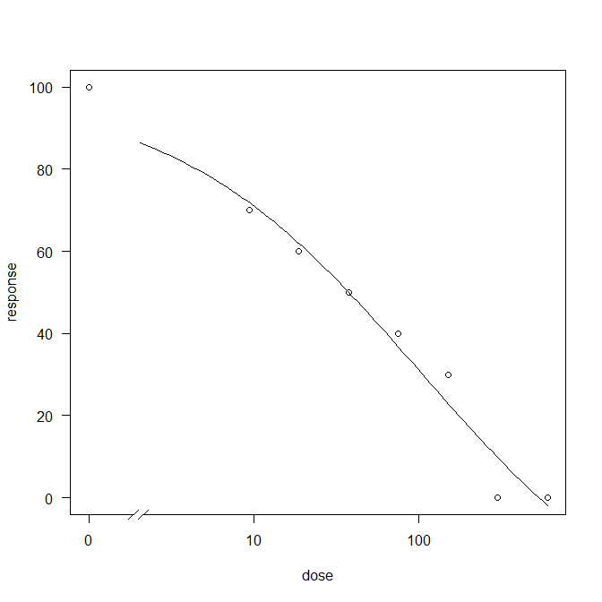
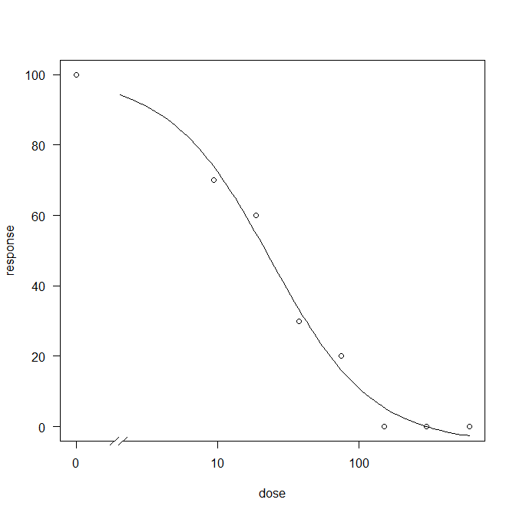
Visual%T2 | 100 | 70 | 60 | 50 | 40 | 30 | 0 | 0 | 101 | 4384
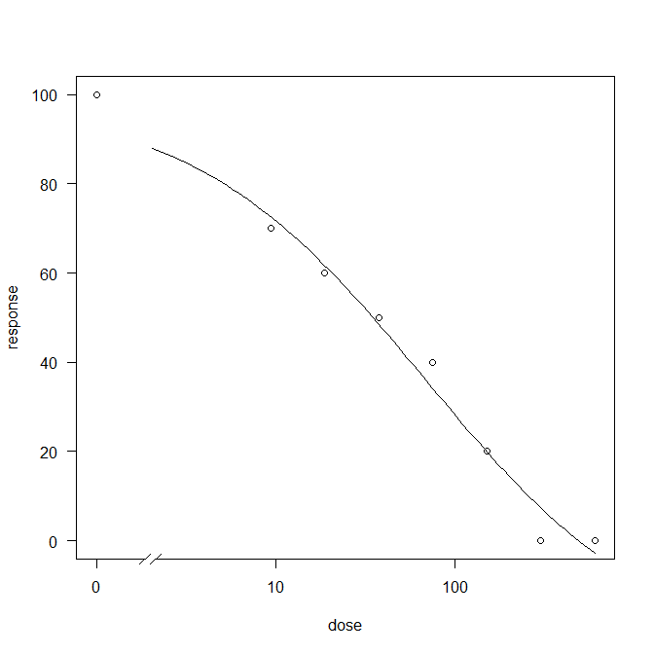
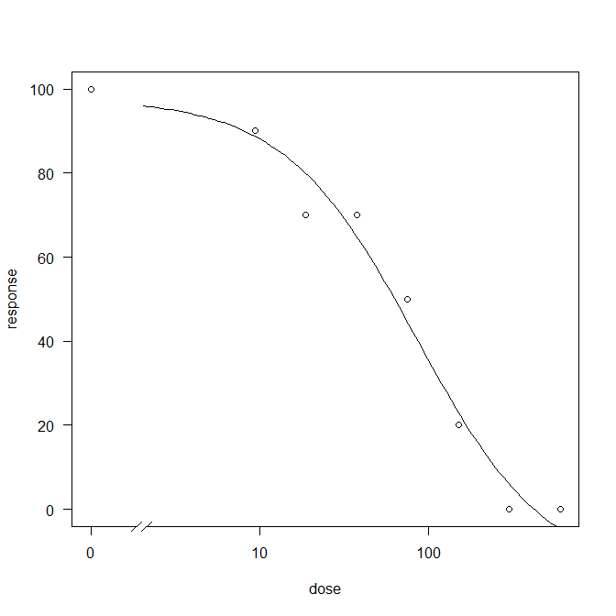
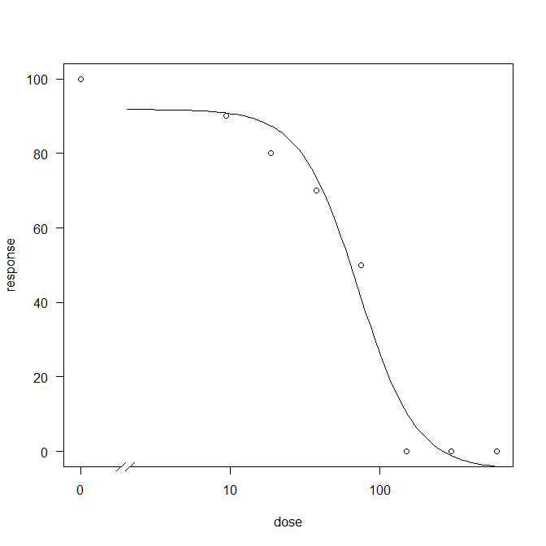
Visual%T3 | 100 | 70 | 60 | 50 | 40 | 20 | 0 | 0 | 67 | 1818
Visual%T4 | 100 | 70 | 60 | 30 | 20 | 0 | 0 | 0 | 23 | 145 | 150
Visual%T5 | 100 | 90 | 70 | 70 | 50 | 20 | 0 | 0 | 84 | 598 | 150
Visual%T6 | 100 | 90 | 80 | 70 | 50 | 0 | 0 | 0 | 71 | 189 | 100
Visual%T1NIS | 100 | 80 | 70 | 40 | 30 | 0 | 0 | 0 | 34 | 187 | 100
Visual%T2NIS | 100 | 60 | 50 | 40 | 30 | 20 | 0 | 0 | 53 | 4214 | 150
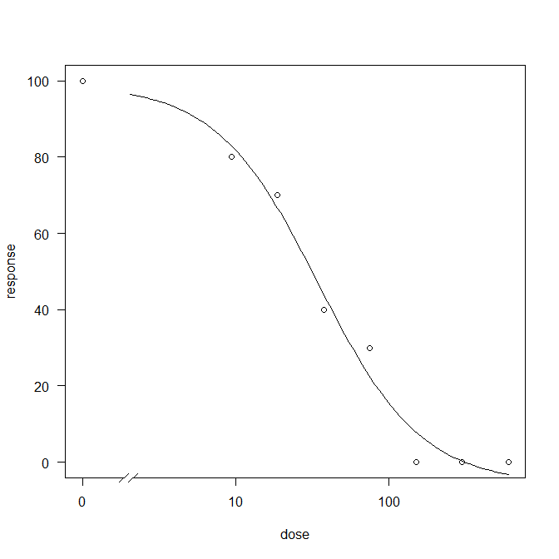
Visual%T3NIS | 100 | 60 | 50 | 40 | 30 | 20 | 0 | 0 | 53 | 4214 | 150
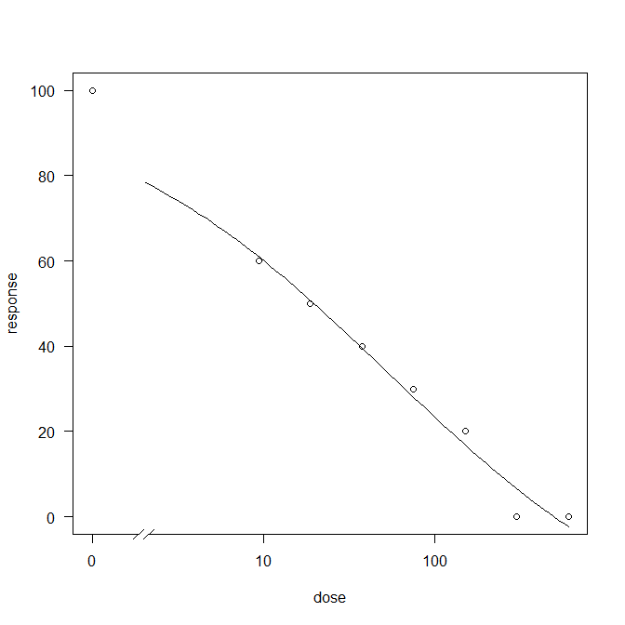
Visual%T4NIS | 100 | 60 | 50 | 20 | 10 | 0 | 0 | 0 | 15 | 95 | 150
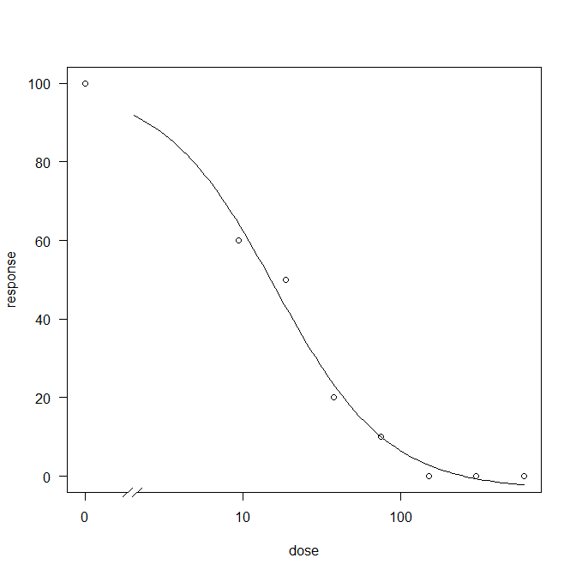
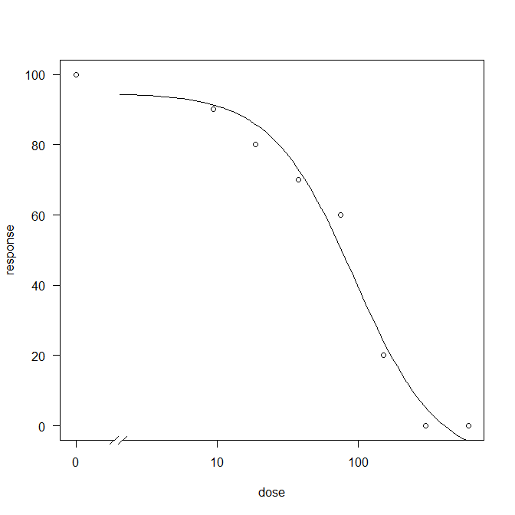
Visual%T5NIS | 100 | 90 | 80 | 70 | 60 | 20 | 0 | 0 | 43 | 411 | 90
Visual%T6NIS | 100 | 90 | 80 | 70 | 50 | 0 | 0 | 0 | 71 | 189 | 100

